Dashboard
GENERATORE DI DIAGRAMMI AD INSIEMI


Puoi generare 8 diversi modelli di diagrammi ad insiemi dinamici.

MODELLO SEMPLICE A 2 CERCHI
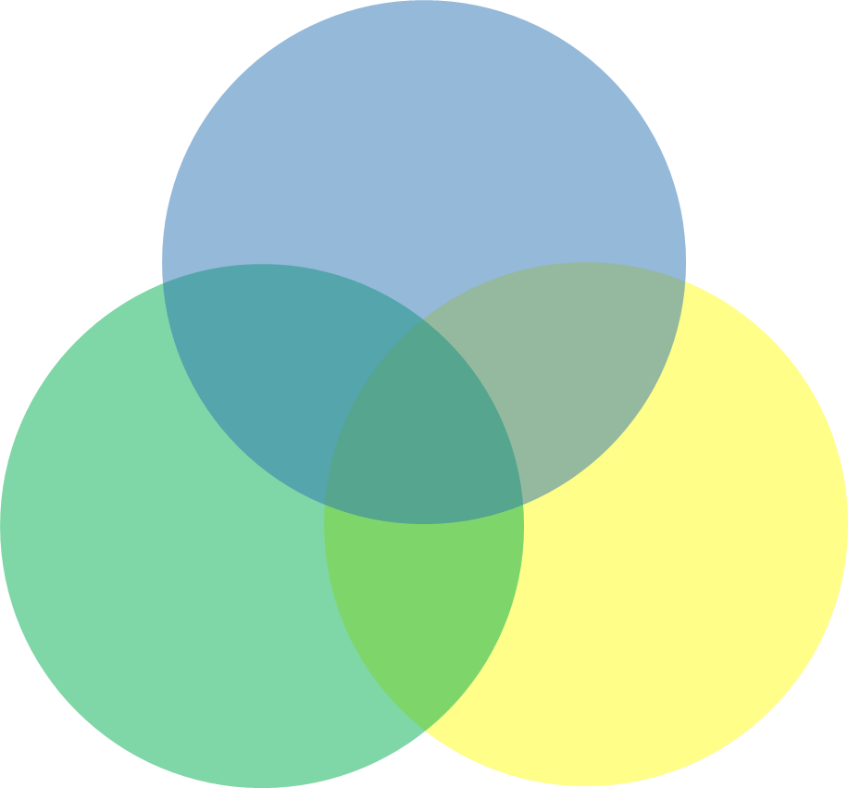
MODELLO A TRE CERCHI PIRAMIDALI
MODELLO A TRE CERCHI LINEARI

MODELLO IMPILATO

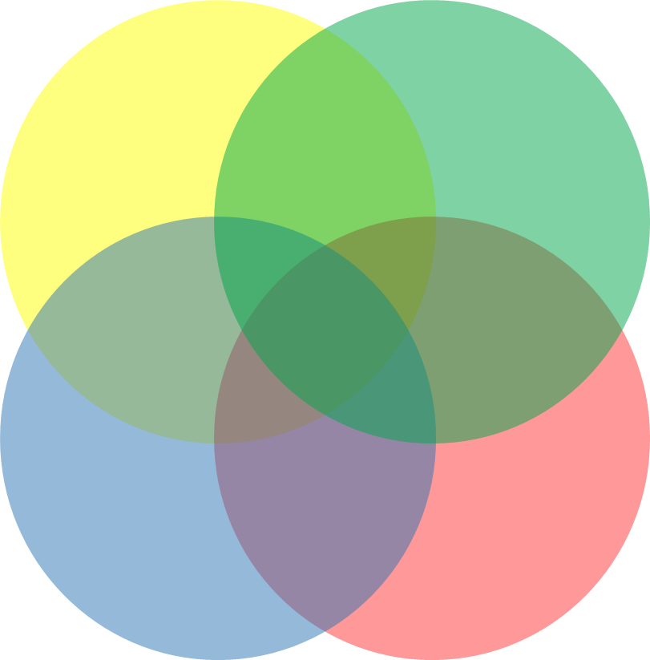
MODELLO A 4 CERCHI QUADRATO
MODELLO A QUATTRO CERCHI LINEARI

MODELLO A QUATTRO CERCHI PLUS

MODELLO IMPILATO PLUS

2 Circles
MODELLO INSIEMISTICO SEMPLICE A 2 CERCHI

 |  | ALTRE RISORSE GRATUITE

IMPRESA 2 IMPRESA 3 IMPRESA 4 IMPRESA 5
IMPRESA 20 IMPRESA 21 IMPRESA 22 IMPRESA 23
IMPRESA 1 IMPRESA 6 IMPRESA 7 IMPRESA 8 IMPRESA 9 IMPRESA 10 IMPRESA 11 IMPRESA 12 IMPRESA 13 IMPRESA 14 IMPRESA 15 IMPRESA 16 IMPRESA 17 IMPRESA 18 IMPRESA 19
CANTIERE 1 | CANTIERE 2
IMPRESA 1 | IMPRESA 8
IMPRESA 2 | IMPRESA 6
IMPRESA 3 | IMPRESA 7
IMPRESA 4 | IMPRESA 1
IMPRESA 5 | IMPRESA 9
IMPRESA 6 | IMPRESA 10
IMPRESA 7 | IMPRESA 11
IMPRESA 8 | IMPRESA 12
IMPRESA 9 | IMPRESA 13
IMPRESA 10 | IMPRESA 14
IMPRESA 11 | IMPRESA 15
IMPRESA 12 | IMPRESA 16
IMPRESA 13 | IMPRESA 17
IMPRESA 14 | IMPRESA 18
IMPRESA 15 | IMPRESA 19
IMPRESA 16 | IMPRESA 20
IMPRESA 17 | IMPRESA 21
IMPRESA 18 | IMPRESA 22
IMPRESA 19 | IMPRESA 23

Triangular 3 Circles
Unique Excel templates →
Contact: info@someka.net
Back to
Menu
VENN DIAGRAM TEMPLATE
TRIANGULAR MODEL

BIG ANIMALS
Elephants Giraffes Cows Sharks Camels Bears
BIG ANIMALS | MAMMALS | AQUATIC ANIMALS
Elephants | Buffaloes | Whales
Giraffes | Dogs | Octopus
Horses | Cats | Fishes
Cows | Goats | Mollusks
Whales | Sheep | Squids
Horses Buffaloes
Whales Dolphins
Sharks | Horses | Eels
Dogs Cats Goats Sheep Armadillos Foxes Cheetahs Chimpanzees
Dolphins | Armadillos | Dolphins
Octopus Fishes Mollusks Squids Eels Turtles Seals Penguins
Camels | Foxes | Turtles
Buffaloes | Cheetahs | Seals
Bears | Chimpanzees | Penguins

MAMMALS
AQUATIC ANIMALS

Developed by someka.net ©

Linear 3 Circles
Unique Excel templates →
Contact: info@someka.net
Back to
Menu
VENN DIAGRAM TEMPLATE
3 LINEAR CIRCLES

HOW TO USE THIS TEMPLATE
The linear model of 3 circle venn diagram is best used to compare data sets with only two-way intersections.
You can, however, include data that are present in all 3 columns, but the model will simply show them in two separate intersections.

BIG ANIMALS
MAMMALS
AQUATIC ANIMALS
Elephants Giraffes Horses Cows
Buffaloes Dogs Cats Goats
Octopus Fishes Mollusks Squids Crabs
Whales Hippopotamus Orcas
Whales Hippopotamus
BIG ANIMALS | MAMMALS | AQUATIC ANIMALS
Elephants | Buffaloes | Whales
Giraffes | Dogs | Octopus
Horses | Cats | Fishes
Cows | Goats | Mollusks
Whales | Hippopotamus | Squids
Hippopotamus | Whales | Hippopotamus
 | Orcas | Orcas
 |  | Crabs

Terms of Use
Developed by someka.net ©

Stacked 3 Circles
Back to
Menu

Eagles Anacondas Penguins Sharks Eels
Tigers Elephants Sheep
ANIMALS | MAMMALS | AQUATIC MAMMALS
Eagles | Tigers | Whales
Anacondas | Whales | Dolphins
Penguins | Elephants | Seals
Whales Dolphins
Tigers | Sheep
Whales | Dolphins
Elephants | Pumas
Sharks | Seals
Sheep | Goats
Eels | Wolves
Dolphins

Terms of Use
Developed by someka.net ©

Square 4 Circles
Unique Excel templates →
Contact: info@someka.net
Back to
Menu
VENN DIAGRAM TEMPLATE
SQUARE MODEL

HOW TO USE THIS TEMPLATE
The square model of the venn diagram is best used to compare 4 data sets.
This model works best if there are no intersections between columns 1&4 or 2&3, because in this model it would be impossible to visualize it. In case you have such data, you can use the flower model.
You will see a warning appear when you insert data that are not supported by this model, or are not best presented by it.
Fatma Ayse Hasan Monica
Ahmet Jason Frank Travis
Warning!!! This diagram does not support your data because it is not possible to show intersections between columns 1 & 4, or 2&3 only. Please use the Flower Model.

SMART
Kyle Amanda
OUTGOING

SMART | OUTGOING | POLITE | HARDWORKING
Mike | Amy | Tom | Amy
Kyle | Ahmet | Salion | Tom
John | Amanda | Kim | Kim
Mike Elif
Elif | Salion | Elif | Valentino
Amy
John
Amanda | Jason | Britney | Onur
Onur | Frank | John | John
Valentino Leyla Ryan Novak Deniz
Fatma | Travis | Lewis | Leyla
Britney Catheryn Rose
Ayse | Kyle | Catheryn | Ryan
Hasan | Lewis | Mike | Novak
Tom Kim
Monica | John | Rose | Deniz

HARDWORKING
POLITE

Terms of Use
Developed by someka.net ©

Linear 4 Circles
Unique Excel templates →
Contact: info@someka.net
Back to
Menu
VENN DIAGRAM TEMPLATE
4 LINEAR CIRCLES

HOW TO USE THIS TEMPLATE
The linear model of 4 circle venn diagram is best used to compare data sets with only two-way intersections.
You can, however, include data that are present in 3 or all 4 columns, but the model will simply show them in separate intersections.
SMART
Alan John Zach
OUTGOING
Pablo Eric
POLITE
HARDWORKING
Stephanie Charles Scott
Chloe Mary Norman
Brian
SMART | OUTGOING | POLITE | HARDWORKING
Amanda | Pablo | Kyle | Chloe
Mike | Kyle | Brian | Brian
Amanda Mike
Kyle Gabriel
Alan | Amanda | Stephanie | Mary
John | Gabriel | Gabriel | Norman
Zach | Mike | Charles
 | Eric | Scott

Terms of Use
Developed by someka.net ©

Flower 4 Ovals
Unique Excel templates →
Contact: info@someka.net
Back to
Menu
VENN DIAGRAM TEMPLATE
FLOWER 4 OVALS

HOW TO USE THIS TEMPLATE
The flower venn diagram can be used for all kinds of comparisons between 4 data sets.
You simply need to add data to the table and you will see the diagram update automatically.
This is the most inclusive model of all venn models.

SMART
OUTGOING
Kyle John
Jack Harry Fred
SMART | OUTGOING | POLITE | HARDWORKING
Salion | Jack | Ahmet | Anthony
Kyle | Ahmet | Salion | Marco
John | Harry | Kim | Witney
Melis
Marco Witney
Bryan | Bryan | Bryan | Stewart
Kim Daisy
Onur
Stewart | Stewart | Amanda | Ezgi
Salion
Stewart
Melis | Melis | Nathalie | Amanda
Bryan
Ezgi | Leslie | Leslie | Nathalie
Amanda | Onur | Pablo | Leslie
Nathalie | Pablo | Anthony | Onur
Pablo
Pablo | Fred | Daisy | Pablo
Ezgi
Ahmet
Leslie
Amanda Nathalie
Anthony
HARDWORKING
POLITE

Terms of Use
Developed by someka.net ©

Stacked 4 Circles
Unique Excel templates →
Contact: info@someka.net
Back to
Menu
VENN DIAGRAM TEMPLATE
4 STACKED CIRCLES

HOW TO USE THIS TEMPLATE
The 4 circle stacked model is used to show how three ideas or categories belong or are part of a larger idea or category.
Depending on how you insert data, this can also be used in a "spreading from nucleus" version. You simply need to add the bigger idea/all inclusive data set in the third column.

Eels Horses
ANIMALS | MAMMALS | AQUATIC MAMMALS | SURVIVE ON LAND
Tigers | Tigers | Whales | Seals
Whales | Whales | Dolphins
Tigers Elephants Sheep Pumas Goats
Elephants | Elephants | Seals
Whales Dolphins
Seals | Sheep
Seals
Sheep | Dolphins
Eels | Pumas
Dolphins | Seals
Horses | Goats
Pumas | Wolves
Goats

Terms of Use
Developed by someka.net ©

Terms of Use
Back to
Menu

